Analysis
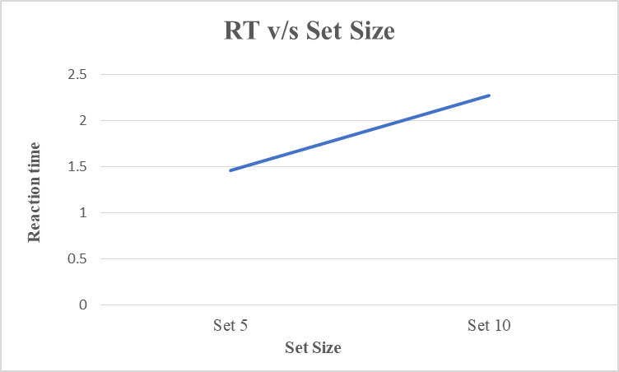
Participants | Mean RT | Participants | Set 5 RT | Set 10 RT | Individual Slope
1 | 1.8320769056 | 1 | 1.5373003438 | 2.1689644048 | 0.1263328122
2 | 1.9212021006 | 2 | 1.481510538 | 2.5678073397 | 0.2172593603
3 | 1.8835493118 | 3 | 1.4060522278 | 2.2980797473 | 0.1784055039
4 | 1.7539451593 | 4 | 1.4215320562 | 2.0720609247 | 0.1301057737

 |  | Mean | 1.461598791 | 2.276728104 | 0.1630258625

